dashboard
 | Sum of Sales | Sum of quantity | Count of Customer
Total | 8436 | 511 | 499
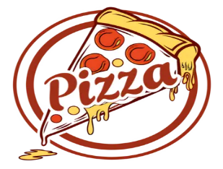
Pizza Sales Dashboard

count of order per size
 | Total
L | 41
M | 25
S | 27
XL | 2
total sales per category
 | Total
Chicken | 309
Classic | 329
Supreme | 548
Veggie | 440
top 10 pizza _ name
 | Total
The Five Cheese Pizza | 4
The Barbecue Chicken Pizza | 4
The Thai Chicken Pizza | 4
The Mexicana Pizza | 4
The Italian Supreme Pizza | 5
The Pepper Salami Pizza | 5
The Prosciutto and Arugula Pizza | 5
The Classic Deluxe Pizza | 5
The Four Cheese Pizza | 5
The Greek Pizza | 5
The Spicy Italian Pizza | 5
The Sicilian Pizza | 6
The Hawaiian Pizza | 6
count of order per hours
 | Total
11 AM | 3
12 PM | 12
1 PM | 11
2 PM | 9
3 PM | 3
4 PM | 8
5 PM | 11
6 PM | 14
7 PM | 15
8 PM | 2
9 PM | 4
10 PM | 2
11 PM | 1

sum of sales per months
 | Total
Jan | 578
Feb | 528
Mar | 520

count of order per category
 | Total
Chicken | 17
Classic | 22
Supreme | 32
Veggie | 24
total sales per pizza _ size
 | Total
L | 815
M | 437
S | 323
XL | 51

count of customer per months
 | Total
Jan | 33
Feb | 32
Mar | 30

Sheet1
